Instructions
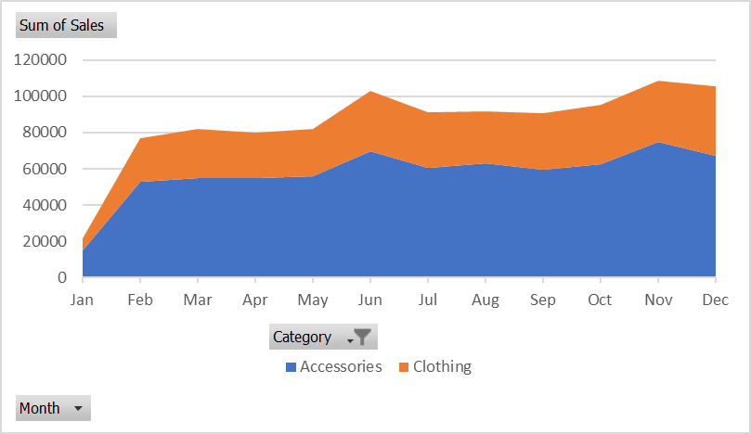
Instructions
Have a look at the Sales Summary workbook. It is very easy to read but we cannot use this data to create PivotTables or Pivot Charts. Use Power Query to import the data and convert it to a form more suitable for data analysis.

1) | Create a query to get the data from the Sales Summary Workbook.
2) | Remove any unnecessary rows so that the data headers are in the top row and then convert top row to headers
3) | Ensure that the Category is filled down.
4) | Remove the Monthly Average column.
5) | Unpivot the data and adjust the column names so it looks like this (not all rows shown):
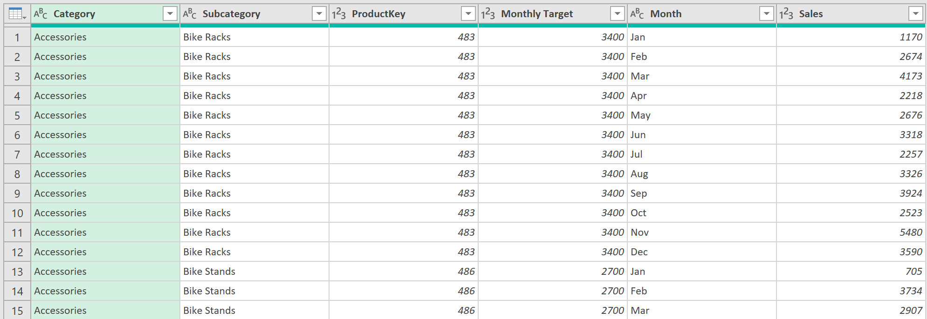

6) | Add a column called % Target Achieved that divides Sales by Monthly Target and change the data type to Percentage.
7) | Close and Load the query to the A3 in the Sales Data sheet.
8) | Using the Sales Data query results, create a pivot table that returns Average % Target Achieved by Subcategory.
 | Which Subcategory performed best (highest %)? | Shorts | 1
9) | Create another PivotTable to show total sales by Category and Month. Filter the Pivot to only show Accessories and Clothes.
 | What was the total combined sales for Accessories and Clothes for February? | 76645 | 1
10) | Create a stacked area Pivot Chart to visualise sales trends in the PivotTable. It should look like this:

Sheet5
Average of % Target Achieved |  | Sum of Sales | Category
Subcategory | Total | Month | Accessories | Clothing | Grand Total
Bike Racks | 91.49% | Jan | 14811 | 6823 | 21634
Bike Stands | 121.06% | Feb | 52759 | 23886 | 76645
Bottles and Cages | 86.07% | Mar | 54908 | 27238 | 82146
Caps | 108.54% | Apr | 54740 | 25021 | 79761
Cleaners | 115.55% | May | 56046 | 26007 | 82053
Fenders | 102.17% | Jun | 69833 | 33325 | 103158
Gloves | 119.56% | Jul | 60494 | 30478 | 90972
Helmets | 121.92% | Aug | 63082 | 28511 | 91593
Hydration Packs | 88.31% | Sep | 59743 | 30961 | 90704
Jerseys | 95.23% | Oct | 62709 | 32393 | 95102
Mountain Bikes | 107.52% | Nov | 74855 | 33653 | 108508
Road Bikes | 116.27% | Dec | 67371 | 38253 | 105624
Shorts | 89.74% | Grand Total | 691351 | 336549 | 1027900
Socks | 123.27%
Tires and Tubes | 91.72%
Touring Bikes | 90.07%
Vests | 100.67%
(blank) | 101.30%
Grand Total | 103.65%

Subcategory Targets
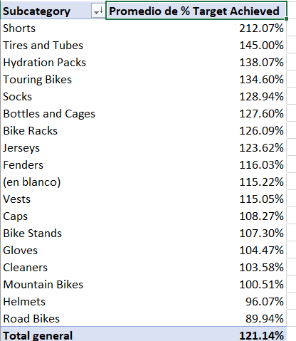

Sales Trends
